Sheet1
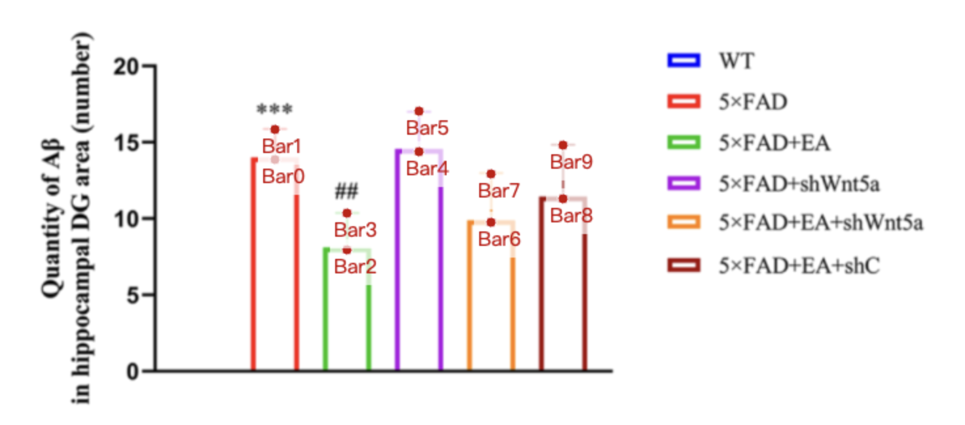
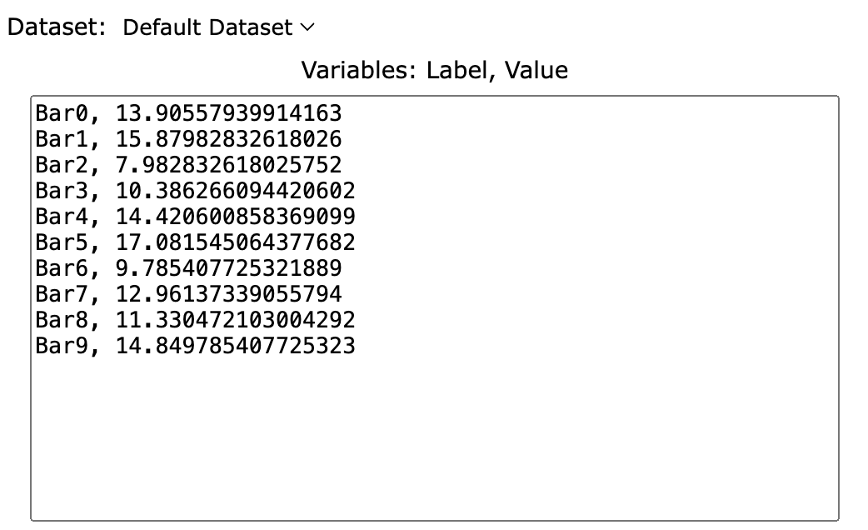
Treatment Groups | 5xFAD_Ab_protein | 5xFAD+EA_Ab_protein | 5xFAD+shWnt5a_Ab_protein | 5xFAD+EA+shWnt5a_Ab_protein | 5xFAD+EA+shC_Ab_protein
mean | 13.905579399 | 7.982832618 | 14.420600858 | 9.7854077253 | 11.330472103
sd | 1.974248927 | 2.403433476 | 2.660944206 | 3.175965665 | 3.519313305
mean+sd | 15.879828326 | 10.386266094 | 17.081545064 | 12.961373391 | 14.849785408

